Price List
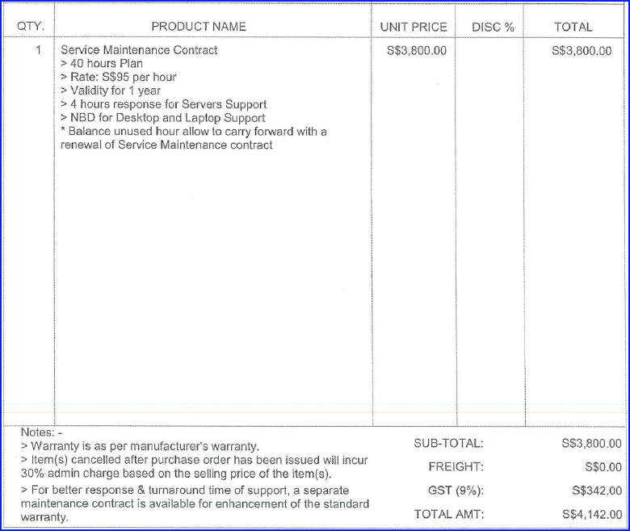
Kensha Holdings Pte Ltd
FCCS Set-Up

 |  |  | Amount (SGD)
 | Service | Date | Before GST | Doc Ref | Doc Type
1 | IT Infrastructure Site Assessment | 2024-05-15 | 860.00 | 06_PY20705 | Inv
2 | Digital Infrastructure Enhancement (Hardware) | 2024-05-23 | 77,714.00 | data Mux quotation | Quatation
3 | IT network gateway infrastructure | 2024-09-25 | 18,200.00 | 10_PY21247 | Quatation
4
5
6
7
8
9
10
11

 |  |  | Amount (SGD)
 | Service | Date | Before GST
1 | Service Maintenanace Contract | 2024-06-28 | 3,800.00 | 07_PY20877 | Quatation | Agreement

Assessment
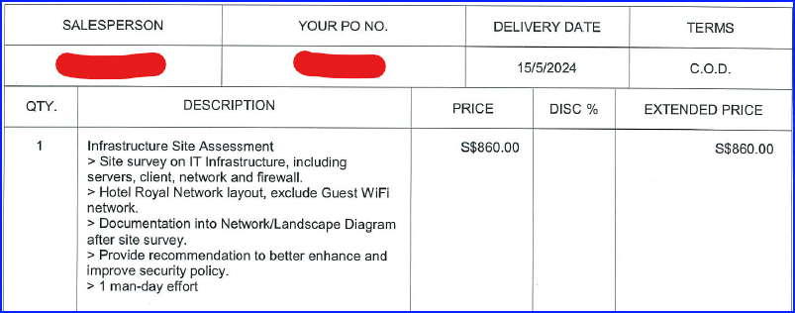
IT Infrastructure Site Assessment

Hardware
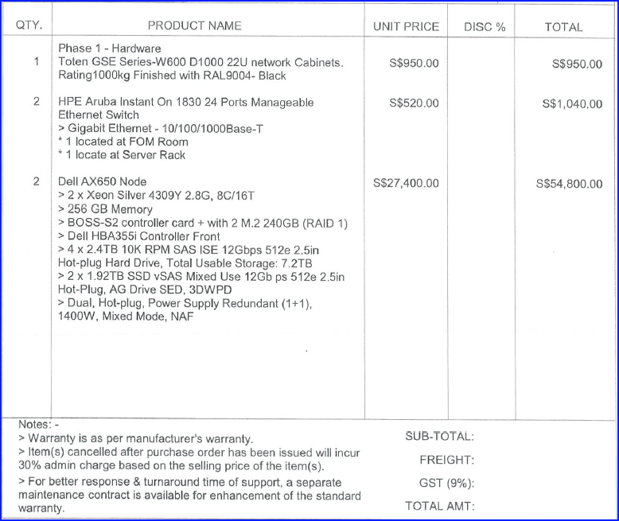
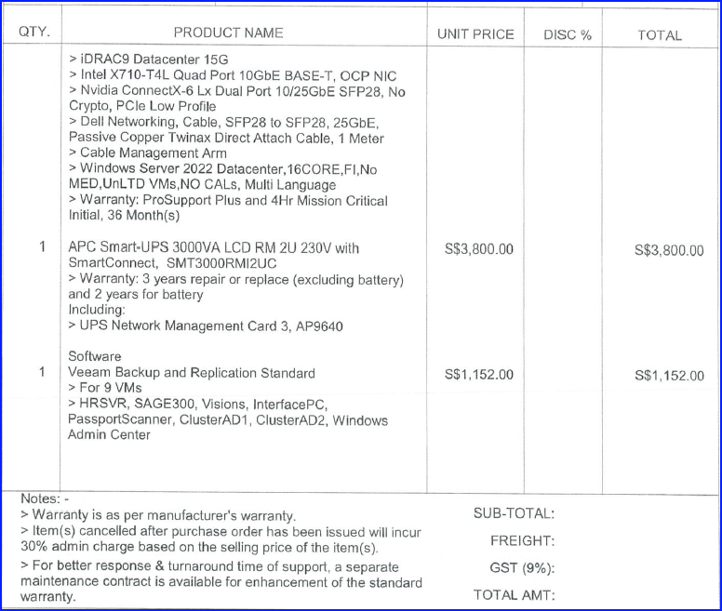
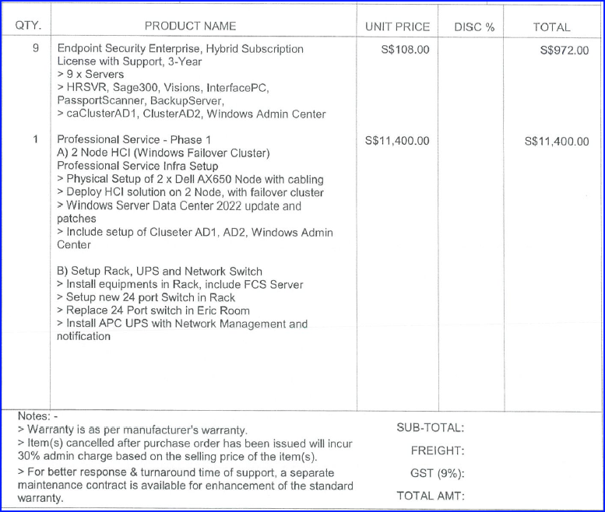
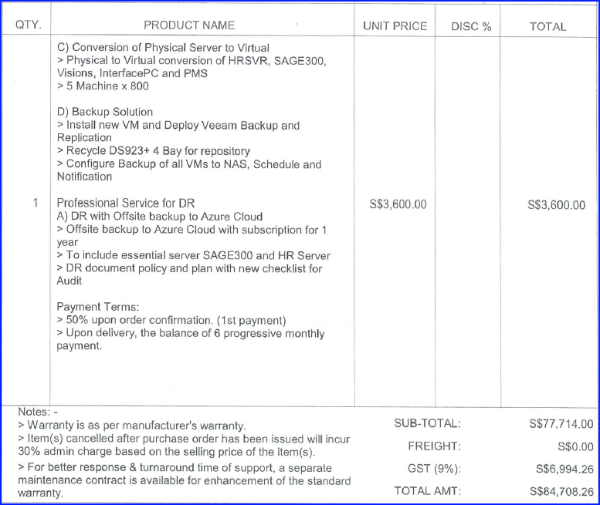
Digital Infrastructure Enhancement (Hardware)

Gateway
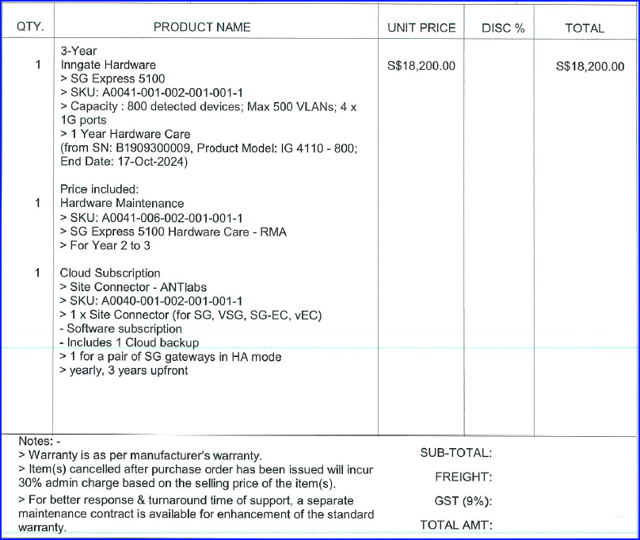
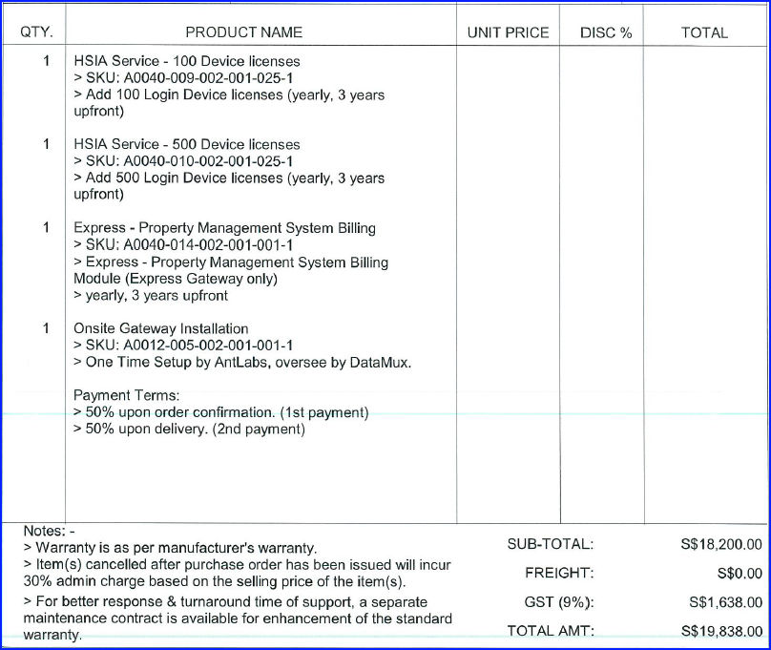
IT network gateway infrastructure

